3 Linked Financial Statements
📄 TAB OVERVIEW 1: Forecast 2025- 2029 Income, Balance Sheet, and Cash Flow Statements

This tab serves as a reusable forecasting template for companies. It enables their accounting team to project financial performance every 6 months by updating a few key drivers.
 | ✔ Auto-forecasts the Income Statement, Balance Sheet, and Cash Flow Statement from (2025 to 2029) ✔ Designed to support enterprise valuation, strategic planning, and Revenue, EBITDA and Net Income scenario testing ✔ Supports internal financial reviews, debt planning, and Incentive design calibration

👇UNGROUP COLUMNS & ROWS. Scroll all the way to the bottom of the page and update the Assumption Section first, before updating column F (2024 historical data). "Update all cells highlighted with red font on a light yellow background to automatically forecast the Income Statement, Balance Sheet, and Cash Flow Statement from FY25–FY29. Use these forecasts to set Threshold, Target, and Max/Capped performance metrics (on the right) for the CEO's STI and LTI payouts."

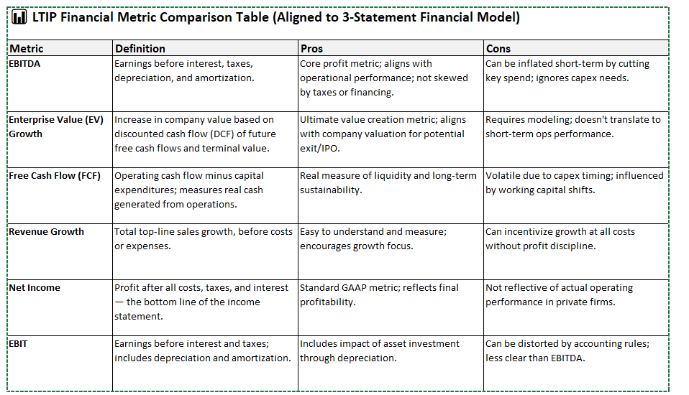
 |  | Company name | Company X |  | ` | 2 | Average balance
 |  | Fiscal year ended | 12/31/2024 |  |  | 1 = Calculate interest on beginning balance
 |  |  |  |  |  | 2 = Calculate interest on average balance

 | Income Statement |  |  | 2024A | 2025E | 2026E | 2027E | 2028E | 2029E

 |  | REVENUE |  | $61,988,811 | $68,000,000 | $72,273,921 | $76,465,225 | $80,581,323 | $84,628,512
 | Cost of goods sold |  |  | $37,392,078 | $41,018,069 | $43,596,128 | $46,124,351 | $48,607,210 | $51,048,502
 |  | Gross Profit |  | $24,596,733 | $26,981,931 | $28,677,794 | $30,340,874 | $31,974,113 | $33,580,010
 | Selling, general & administrative expense |  |  | $12,389,730 | $13,591,188 | $14,445,419 | $15,283,136 | $16,105,823 | $16,914,736
 |  | EBITDA |  | $12,207,003 | $13,390,743 | $14,232,375 | $15,057,737 | $15,868,291 | $16,665,274
 | Depreciation |  |  | $1,200,000 | $1,481,877 | $1,763,754 | $2,045,633 | $2,327,511 | $2,609,391
 | Amortization |  |  | $40,000 | $40,000 | $40,000 | $40,000 | $40,000 | $40,000
 |  | EBIT |  | $10,967,003 | $11,868,866 | $12,428,620 | $12,972,105 | $13,500,779 | $14,015,883
 | Interest expense |  |  | $600,000 | $0 | $0 | $0 | $0 | $3,800
 |  | Pretax Income |  | $10,367,003 | $11,868,866 | $12,428,620 | $12,972,105 | $13,500,779 | $14,012,083
 | Income taxes |  |  | $155,505 | $178,033 | $186,429 | $194,582 | $202,512 | $210,181
 |  | NET INCOME |  | $10,211,498 | $11,690,832.8 | $12,242,191 | $12,777,523 | $13,298,268 | $13,801,902

 | Balance Sheet |  |  | 2024A | 2025E | 2026E | 2027E | 2028E | 2029E

 | Cash |  |  | $250,000 | $16,438,534 | $33,483,577 | $51,356,911 | $70,043,610 | $89,526,185
 | Accounts receivable |  |  | $520,000 | $570,426 | $606,278 | $641,437 | $675,965 | $709,916
 | Inventory |  |  | $575,000 | $630,759 | $670,403 | $709,281 | $747,462 | $785,003
 | Other current assets |  |  | $100,000 | $100,000 | $100,000 | $100,000 | $100,000 | $100,000
 | PP&E, net |  |  | $4,850,000 | $5,818,126 | $6,504,378 | $6,908,754 | $7,031,255 | $6,871,879
 | Definite life intangibles |  |  | $325,000 | $435,000 | $545,000 | $655,000 | $765,000 | $875,000
 | Goodwill and other intangibles |  |  | $2,100,000 | $2,100,000 | $2,100,000 | $2,100,000 | $2,100,000 | $2,100,000
 | Other long-term assets |  |  | $450,000 | $450,000 | $450,000 | $450,000 | $450,000 | $450,000
 |  | Total Assets |  | $9,170,000 | $26,542,845 | $44,459,636 | $62,921,384 | $81,913,292 | $101,417,983
 | Accounts payable |  |  | $650,000 | $713,032 | $757,847 | $801,796 | $844,957 | $887,395
 | Other liabilities |  |  | $1,500,000 | $1,500,000 | $1,500,000 | $1,500,000 | $1,500,000 | $1,500,000
 | Long-term debt |  |  | $0 | $0 | $0 | $0 | $0 | $190,000
 | Other long-term liabilities |  |  | $650,000 | $650,000 | $650,000 | $650,000 | $650,000 | $650,000
 | Owner's Equity |  |  | $4,470,000 | $15,931,859 | $27,934,277 | $40,461,543 | $53,499,354 | $67,030,935
 |  | Total Liabilities & Equity |  | $7,270,000 | $18,794,891 | $30,842,125 | $43,413,339 | $56,494,311 | $70,258,329
 |  | Parity check (A=L+E) |  | $1,900,000

 | Cash Flow Statement |  |  |  | 2025E | 2026E | 2027E | 2028E | 2029E

 | NET INCOME |  |  |  | $11,690,833 | $12,242,191 | $12,777,523 | $13,298,268 | $13,801,902
 | Depreciation & amortization |  |  |  | $1,521,877 | $1,803,754 | $2,085,633 | $2,367,511 | $2,649,391
 | (Increase)/decrease in accounts receivable |  |  |  | -$50,426 | -$35,852 | -$35,159 | -$34,528 | -$33,950
 | (Increase)/decrease in inventory |  |  |  | -$55,759 | -$39,644 | -$38,878 | -$38,180 | -$37,541
 | (Increase)/decrease in other current assets |  |  |  | $0 | $0 | $0 | $0 | $0
 | (Increase)/decrease in other long-term assets |  |  |  | $0 | $0 | $0 | $0 | $0
 | Increase/(decrease) in accounts payable |  |  |  | $63,032 | $44,815 | $43,949 | $43,160 | $42,438
 | Increase/(decrease) in other liabilities |  |  |  | $0 | $0 | $0 | $0 | $0
 | Increase/(decrease) in owner's equity |  |  |  | $0 | $0 | $0 | $0 | $0
 |  | Cash from Operating Activities: |  |  | $13,169,557 | $14,015,264 | $14,833,068 | $15,636,231 | $16,422,239

 | Capital Expenditures |  |  |  | $2,450,003 | $2,450,006 | $2,450,009 | $2,450,012 | $2,450,015
 | Additions to intangibles |  |  |  | $150,000 | $150,000 | $150,000 | $150,000 | $150,000
 |  | Cash from Investing Activities: |  |  | $2,600,003 | $2,600,006 | $2,600,009 | $2,600,012 | $2,600,015

 | Scheduled long-term debt payments |  |  |  | $190,000 | $190,000 | $190,000 | $190,000 | $190,000
 | Dividend payments |  |  |  | $228,974 | $239,773 | $250,258 | $260,457 | $270,321
 |  | Cash from Financing Activities: |  |  | $418,974 | $429,773 | $440,258 | $450,457 | $460,321

 | Net change in cash |  |  |  | $16,188,534 | $17,045,043 | $17,873,334 | $18,686,699 | $19,482,575
 | Beginning balance of cash |  |  |  | $250,000 | $16,438,534 | $33,483,577 | $51,356,911 | $70,043,610
 |  | Ending balance of cash |  |  | $16,438,533.9 | $33,483,576.7 | $51,356,911.0 | $70,043,610.3 | $89,526,185.0

 | Assumption |  |  | 2024A | 2025E | 2026E | 2027E | 2028E | 2029E

 | Sales Growth |  | Base Forecast | N/A | 9.7% | 6.3% | 5.8% | 5.4% | 5.0%
 | COGS as a % of sales |  |  | 60% | 60.3% | 60.3% | 60.3% | 60.3% | 60.3%
 | SG&A as a % of sales |  |  | 20% | 20.0% | 20.0% | 20.0% | 20.0% | 20.0%

 | Tax rate |  |  | 2% | 1.5% | 1.5% | 1.5% | 1.5% | 1.5%

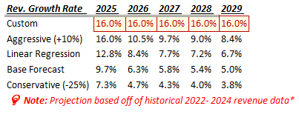
 | Accounts receivable (% of sales) |  |  | 1% | 0.8% | 0.8% | 0.8% | 0.8% | 0.8%
 | Inventory (% of sales) |  |  | 1% | 0.9% | 0.9% | 0.9% | 0.9% | 0.9%
 | Accounts payable (% of sales) |  |  | 1% | 1.0% | 1.0% | 1.0% | 1.0% | 1.0%

 | Capital Expenditures "CapEx" (amount) |  |  | $2,450,000 | $2,450,003 | $2,450,006 | $2,450,009 | $2,450,012 | $2,450,015
 | Depreciation as a % of CapEx |  |  | 49% | 60.5% | 72.0% | 83.5% | 95.0% | 106.5%
 | Depreciation ($ amount) |  |  | $1,200,000 | $1,481,877 | $1,763,754 | $2,045,633 | $2,327,511 | $2,609,391

 | Additions to intangibles ($ amount) |  |  | $150,000 | $150,000 | $150,000 | $150,000 | $150,000 | $150,000
 | Amortization ($ amount) |  |  | $40,000 | $40,000 | $40,000 | $40,000 | $40,000 | $40,000

 | Dividends |  |  | $200,000 | $228,974 | $239,773 | $250,258 | $260,457 | $270,321
 | Net income |  |  | $10,211,498 | $11,690,833 | $12,242,191 | $12,777,523 | $13,298,268 | $13,801,902
 | Dividend payout ratio |  |  | 2% | 2.0% | 2.0% | 2.0% | 2.0% | 2.0%

 | Average long-term debt balance |  |  |  | $0 | $0 | $0 | $0 | $95,000
 | Interest rate on debt |  |  | 4% | 4.0% | 4.0% | 4.0% | 4.0% | 4.0%
 |  |  |  | Interest expense | $0.0 | $0.0 | $0.0 | $0.0 | $3,800.0
 |  |  |  |  |  |  |  |  | based on average balance | based on average balance

